STAIR 02
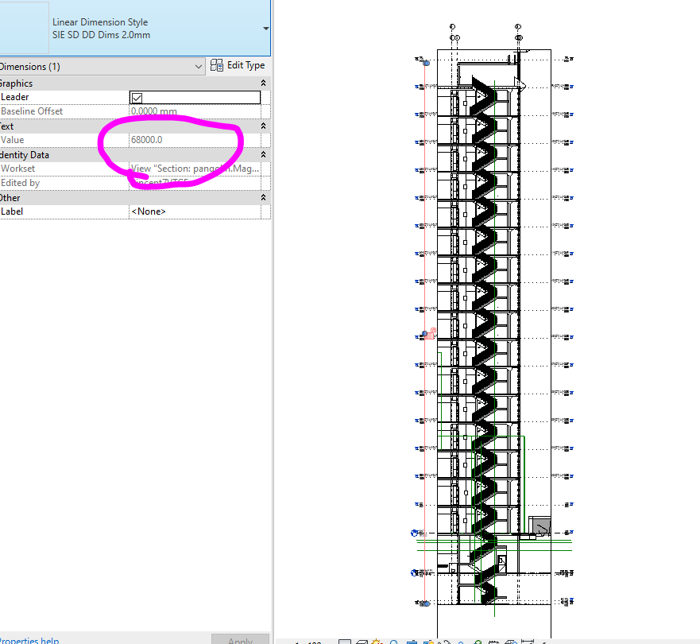
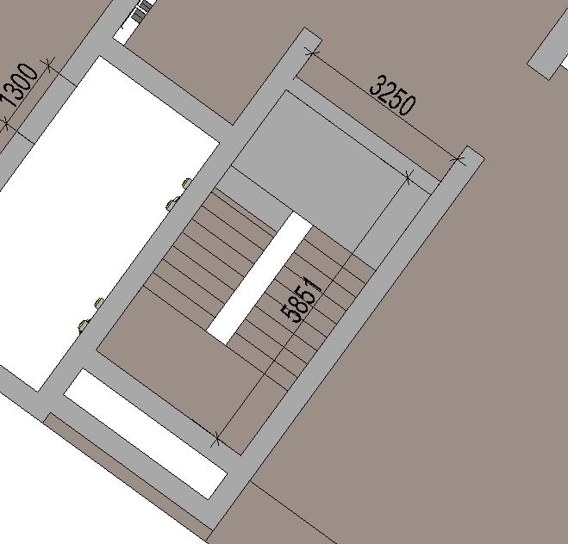
Calculation No: CEC-MED-P509-105 Rev. No: 00 |  |  |  | Date : 25.07.2025
Project No : P509 |  |  |  | Client : STUDIO INTERNATIONAL
Project Name : BT WAADA DUBAI SOUTH, DUBAI |  |  |  | End User : ASICO DEVELOPMENT
STAIRCASE 02
STAIRCASE PRESSURISATION AS PER BS-12101-6
S.NO | DESCRIPTION | DOOR | DOOR | CRACK |  | LEAKAGE AREA | AIR LEAKAGE IN
 |  | WIDTH IN | HEIGHT IN | LENGTH IN |  | IN SQ.M | CU.M/S at 12.5
 |  | M | M | M |  | (TABLE-3) | PASCAL (TABLE-4)
1 | AS PER THE BS-EN 12101-6 | 1.1 | 2.3 | 6.8 |  | 0.01 | 0.03
2 | AS PER ARCHITECTURAL | 1.1 | 2.3 | 6.8 |  | 0.01 | 0.030
 | DRAWINGS

THE EGRESS VELOCITY |  |  |  |  | 1 | m/s
TOTAL AIR VOLUME FOR STAIRCASE- 02 |  | AIR FLOW THRO' OPEN DOORS |  |  | + | AIR FLOW THRO' CLOSED DOORS
 |  | DOOR AREA*VELOCITY*NO.OF OPEN DOORS |  |  | + | AIR LEAKAGE IN * | NO.OF CLOSED * | SAFETY
 |  |  |  |  |  | CU.M/S @ 12.5 PASCAL | DOORS | 25%
FOR STAIR CASE-02 BASEMENT TO ROOF |  | 2.5 | 1 | 2 | + | 0.030 | 17 | 0.128
 |  | 5.06 |  |  | + | 0.64
 |  | 5.70

TOTAL AIR VOLUME ( CU.M PER SEC) |  | 5.70 |  |  |  | Pressure Drop Calculation
FOR |  |  |  | Total Fan Capacity= |  |  | 6.27 | Cu.Mt./Sec
STAIR CASE- 02 |  |  |  | Initial Duct Velocity= |  |  | 8.12 | m/s
 | SAFETY (10%) | 0.57 |  | Pressure drop at Initial Duct velocity= |  |  | 1.00 | Pa/m
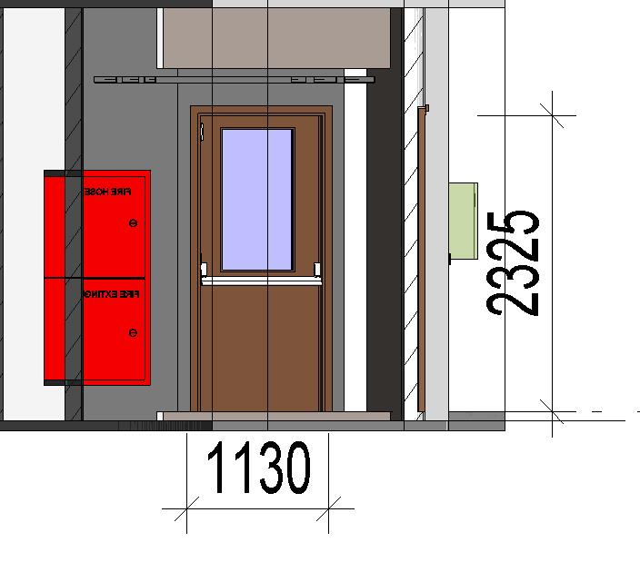
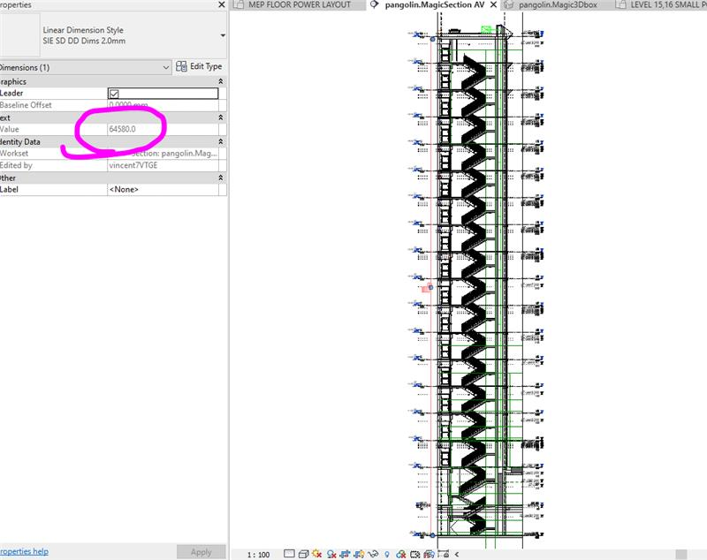
 | TOTAL ( CU. M PER SEC ) | 6.27 |  | Total length of duct= |  |  | 68 | mtr
TOTAL AIR VOLUME ( L/S) |  | 6270 |  | Pressure drop= |  |  | 0.18 | in wg.
FOR |  |  |  | Duct Pressure Drop(Pa)= |  |  | 68.0 | Pa
STAIR CASE- 02 |  |  |  | Louver + Grill Pressure Drop(Pa)= |  |  | 85 | Pa
 |  |  |  | Total Duct Pressure Drop(Pa)= |  |  | 153 | Pa
 |  |  |  | Differential Pressure across the staircase and lobby(Pa)= |  |  | 12.50 | Pa
 |  |  |  | Total Pressure drop(Pa)= |  |  | 165.50 | Pa
 |  |  |  | Safety (25%)= |  |  | 41.38 | Pa
 |  |  |  | Pressure Drop(Pa)= |  |  | 210 | Pa

 | STAIRCASE 02 |  |  |  |  | Pressure Relief Calculation:
 | TOTAL AIR VOLUME FOR STAIRCASE-02 |  |  | 6270 | L/S | Q= 0.827*AE*P^1/2
 | EACH FAN CAPACITY (1 W) |  |  | 6270 | L/S | Q = Required Air Volume (Cu.Mt./Sec)
 | ROUND FIGURE |  |  | 6270 | L/S | AE = Leakage Rate(Sq.Mt.)
 | TOTAL NO. OF OUTLETS |  |  | 9 | NOS | P = Pressure Differential
 | AIR VOLUME PER OUTLET |  |  | 697 | L/S | Pressure Relief Area = | 2.15 | Sq.Mt.
 |  |  |  |  |  | Size of the relief louver area
 | Reference: 1. Architectural Drawings:
 | 2. ASHRAE
 | 3. BS-EN 12101-6
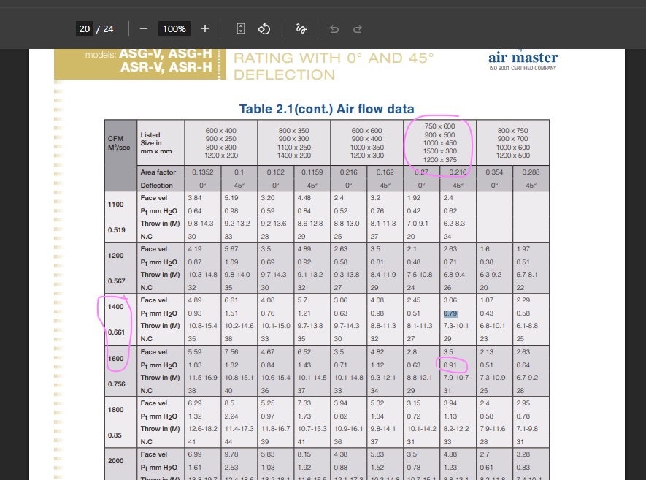
 |  | Originated by |  | Reviewed by |  |  | Approved by
Name: |  | ABIN |  | SHAFEEQUE |  |  | AAKASH
Signature: |  | #VALUE! |  | #VALUE! |  |  | #VALUE!
Date: |  | 23.08.2024 |  | 23.08.2024 |  |  | 23.08.2024

LIFTWELL-01
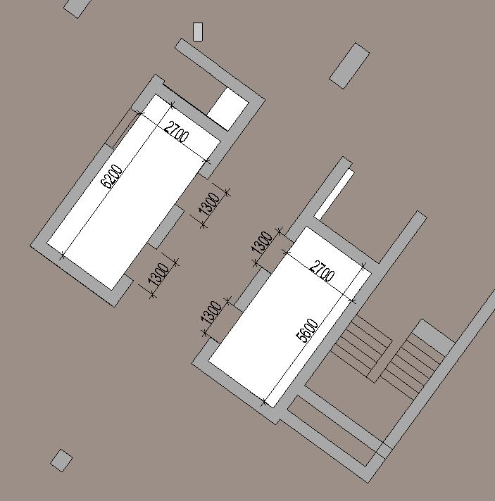
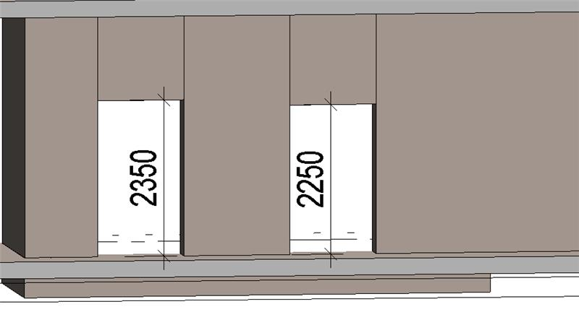
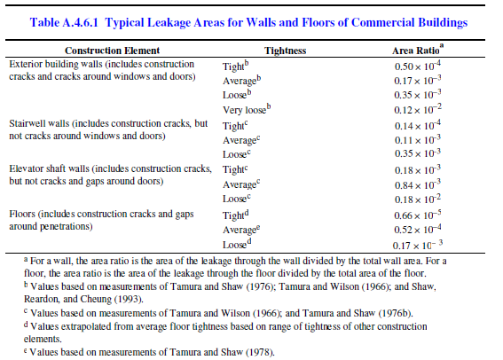
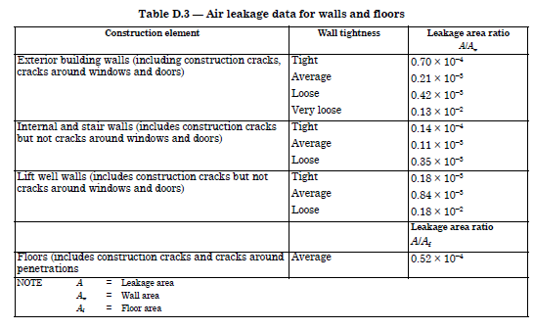
Calculation No: CEC-MED-P509-105 Rev. No: 00 |  |  |  | Date : 25.07.2025
Project No : P509 |  |  |  | Client : STUDIO INTERNATIONAL
Project Name : BT WAADA DUBAI SOUTH, DUBAI |  |  |  | End User : ASICO DEVELOPMENT
LIFTWELL - SINGLE LIFT / FIRE LIFT
LIFT PRESSURISATION AS PER BS-12101-6
S.NO | DESCRIPTION | DOOR | DOOR | CRACK |  | LEAKAGE AREA | AIR LEAKAGE IN
 |  | WIDTH IN | HEIGHT IN | LENGTH IN |  | IN SQ.M | CU.M/S at 12.5
 |  | M | M | M |  | (TABLE-3) | PASCAL (TABLE-4)
1 | AS PER THE BS-EN 12101-6 | 1.2 | 2.3 | 7 |  | 0.06 | 0.19
2 | AS PER ARCHITECTURAL | 1.2 | 2.3 | 7 |  | 0.06 | 0.190
 | DRAWINGS

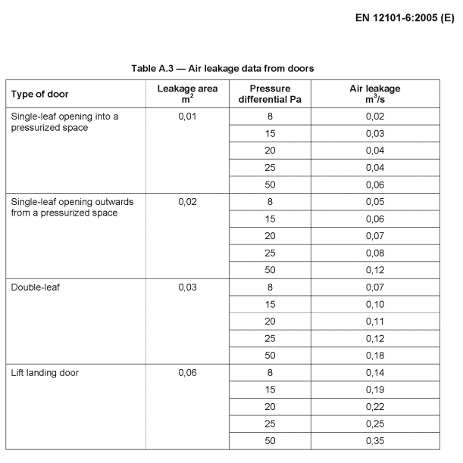
THE EGRESS VELOCITY |  |  |  |  | 1 | m/s
TOTAL AIR VOLUME FOR LIFT WELL |  | AIR FLOW THRO' OPEN DOORS |  |  | + | AIR FLOW THRO' CLOSED DOORS
 |  | DOOR AREA*VELOCITY*NO.OF OPEN DOORS |  |  | + | AIR LEAKAGE IN * | NO.OF CLOSED * | SAFETY
 |  |  |  |  |  | CU.M/S @ 12.5 PASCAL | DOORS | 25%
FOR LIFT WELL FROM BASEMENT TO ROOF GROUND TO ROOF FLOOR |  | 2.8 | 1 | 1 | + | 0.190 | 17 | 0.808
 |  | 2.76 |  |  | + | 4.04
 |  | 6.80

TOTAL AIR VOLUME ( CU.M PER SEC) |  | 6.80 |  |  |  | Pressure Drop Calculation
FOR |  |  |  | Total Fan Capacity= |  |  | 7.48 | Cu.Mt./Sec
LIFTWELL |  |  |  | Initial Duct Velocity= |  |  | 8 | m/s
 | SAFETY (10%) | 0.68 |  | Pressure drop at Initial Duct velocity= |  |  | 1.00 | Pa/m
 | TOTAL ( CU. M PER SEC ) | 7.48 |  | Total length of duct= |  |  | 10 | Mtr
TOTAL AIR VOLUME ( L/S) |  | 7480 |  | Pressure drop= |  |  | 0.18 | in wg.
FOR |  |  |  | Duct Pressure Drop(Pa)= |  |  | 10.0 | Pa
LIFT WELL |  |  |  | Louver + Grill Pressure Drop(Pa)= |  |  | 85 | Pa
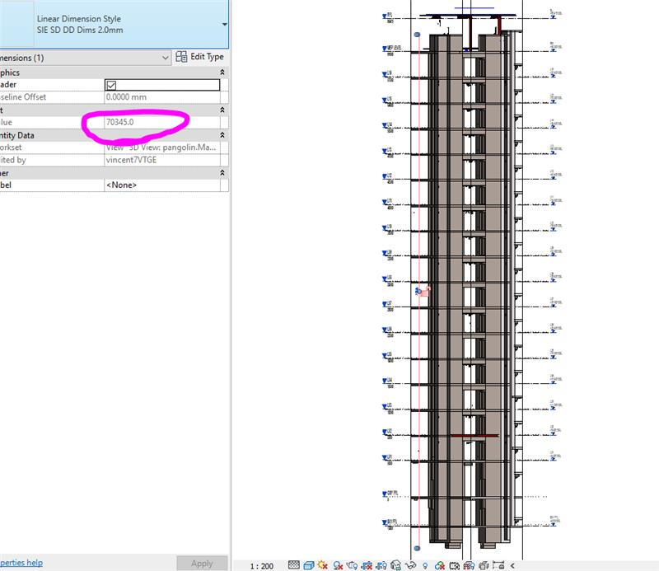
 |  |  |  | Total Duct Pressure Drop(Pa)= |  |  | 95 | Pa
 |  |  |  | Differential Pressure across the staircase and lobby(Pa)= |  |  | 12.50 | Pa
 |  |  |  | Total Pressure drop(Pa)= |  |  | 107.50 | Pa
 |  |  |  | Safety (25%)= |  |  | 26.88 | Pa
 |  |  |  | Pressure Drop(Pa)= |  |  | 135 | Pa

 | LIFTWELL - SINGLE LIFT / FIRE LIFT |  |  |  |  | Pressure Relief Calculation:
 | TOTAL AIR VOLUME FOR LIFTWELL |  |  | 7480 | L/S | Q= 0.827*AE*P^1/2
 | EACH FAN CAPACITY (1 W) |  |  | 7480 | L/S | Q = Required Air Volume (Cu.Mt./Sec)
 | ROUND FIGURE |  |  | 7480 | L/S | AE = Leakage Rate(Sq.Mt.)
 | TOTAL NO. OF OUTLETS |  |  | 1 | NOS | P = Pressure Differential
 | AIR VOLUME PER OUTLET |  |  | 7480 | L/S | Pressure Relief Area = | 2.56 | Sq.Mt.
 |  |  |  |  |  | Size of the relief louver area
 | Reference: 1. Architectural Drawings:
 | 2. ASHRAE
 | 3. BS-EN 12101-6

 |  | Originated by |  | Reviewed by |  |  | Approved by
Name: |  | ABIN |  | SHAFEEQUE |  |  | AAKASH
Signature: |  | #VALUE! |  | #VALUE! |  |  | #VALUE!
Date: |  | 23.08.2024 |  | 23.08.2024 |  |  | 23.08.2024

LIFTWELL FROM SI
 Liftwell Pressurization Calculation
(As per NFPA 92A - 2009 & ASHRAE Handbook 2007, Chapter 52)
Project: P253-Bahria Cascade BLG |  |  |  |  |  |  |  |  |  |  | Prepared By: | AA |  |  |  |  | Date: | 28-Jul-25
Location: South Dubai, UAE |  |  |  |  |  |  |  |  |  |  | Checked By: | HF |  |  |  |  | Stage: | SD
Liftwell: PL-01 |  |  |  |  |  |  |  |  |  |  | Approved By: | MN |  |  |  |  | Rev: | 0

Calculation for Fan Flow Rate to Pressurize Liftwell

QSP = 0.839 * Asb * (Psb)1/2 + 0.452 * AOD * (Psb)1/2
 | QSP |  | = | Fan Flow Rate for Pressurization of liftwell to Required Static Pressure (m3/s)
 | HS |  | = | Total Height of liftwell
 | Asb |  | = | Total Flow Area between liftwell and Building (m2) - walls and closed doors
 | AOD |  | = | Flow Area through Open Doors (m2)
 | Psb |  | = | Primary Pressure Difference between liftwell & Building (Pa)

Notes
1) Site testing has shown that Stack Effect is negligable and will be completely eliminated when liftwell air temperature
equalizes with outside air temperature. Therefore, Stack Effect is not included in the fan sizing calculation.
2) CONTAM software modelling confirms that liftwells on the interior of a building do not have their pressurization impacted
by Wind Effects on the exterior of the building. liftwells adjacent to an exterior wall will need to consider Wind Effects.
3) To comply with NFPA code requirements a liftwell must be a minimum of 12.5 Pa greater than all adjacent spaces. The
greatest pressure adjacent to the liftwell occurs at the pressurized containment floors above and below the fire zone.
Considering this area is relatively small compared to the overall building size a separate leakage rate calculation is not executed.

Building and liftwell Information
Maximum Pressure Outside liftwell (Pa) |  |  |  |  |  |  |  | (ie. Pressurized Containment Floors) |  |  |  |  |  |  |  |  |  | 0
Minimum Pressure Difference Inside liftwell to Outside liftwell (Pa) |  |  |  |  |  |  |  |  |  |  |  |  |  |  |  |  |  | 12.5
Required liftwell Pressure (Pa) |  |  |  |  |  |  |  |  |  |  |  |  |  |  |  |  |  | 12.5
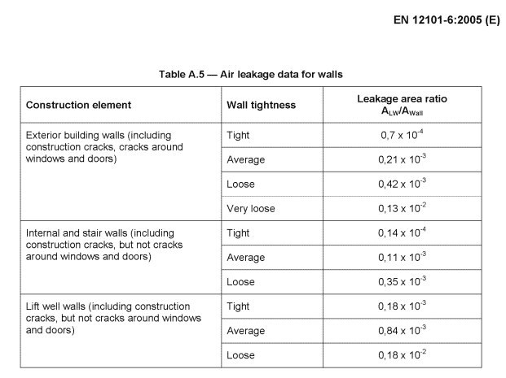
liftwell Height Above Ground (m) |  |  |  |  |  |  |  |  |  |  |  |  |  |  |  |  |  | 63.0
liftwell Height Below Ground (m) |  |  |  |  |  |  |  |  |  |  |  |  |  |  |  |  |  | 3.7
Total Height (m) |  |  |  |  |  |  |  |  |  |  |  |  |  |  |  |  |  | 70.34
liftwell Width (m) |  |  |  |  |  |  |  |  |  |  |  |  |  |  |  |  |  | 6.2
liftwell Depth (m) |  |  |  |  |  |  |  |  |  |  |  |  |  |  |  |  |  | 2.7
# of Floors |  |  |  |  |  |  |  |  |  |  |  |  |  |  |  |  |  | 18
# of Doors Closed in Fire Condition |  |  |  |  |  |  |  | (Double leaf doors are entered as 2 doors for the calc. |  |  |  |  |  |  |  |  |  | 18
# of Doors Open in Fire Condition |  |  |  |  |  |  |  | when they are encountered.) |  |  |  |  |  |  |  |  |  | 0
Avg. Floor Height (m) |  |  |  |  |  |  |  |  |  |  |  |  |  |  |  |  |  | 3.91
liftwell Surface Area for Average Floor (m2) |  |  |  |  |  |  |  |  |  |  |  |  |  |  |  |  |  | 65.42
Door Height (m) |  |  |  |  |  |  |  | (Average values for installed doors.) |  |  |  |  |  |  |  |  |  | 2.35
Door Width (m) |  |  |  |  |  |  |  |  |  |  |  |  |  |  |  |  |  | 2.60

Asb - Calculation
Total liftwell Wall Area (m2) |  |  |  |  |  |  |  |  |  |  |  |  |  |  |  |  |  | 1252.05
liftwell Wall Leakage Area Ratio (m2/m2) - See Table 1 -averag |  |  |  |  |  |  |  |  |  |  |  |  |  |  |  |  |  | 0.00084
Total liftwell Wall Leakage Area (m2) |  |  |  |  |  |  |  |  |  |  |  |  |  |  |  |  |  | 1.05

# of Doors Closed in Fire Condition |  |  |  |  |  |  |  |  |  |  |  |  |  |  |  |  |  | 18
Door Leakage w/ Door Closed (m2/Door) - See Table 2.1 |  |  |  |  |  |  |  |  |  |  |  |  |  |  |  |  |  | 0.06
Total Leakage Area at Closed Doors (m2) |  |  |  |  |  |  |  |  |  |  |  |  |  |  |  |  |  | 1.08
Asb - Total Flow Area between liftwell and Building |  |  |  |  |  |  |  |  |  |  |  |  |  |  |  |  |  |  | 2.132

# of Doors Open in Fire Condition |  |  |  |  |  |  |  |  |  |  |  |  |  |  |  |  |  | 0
Door Leakage w/ Door Open (m2/Door) - See Table 2.2 (Doors Full Open) |  |  |  |  |  |  |  |  |  |  |  |  |  |  |  |  |  | 2.38
AOD - Total Leakage Area at Open Doors (m2) |  |  |  |  |  |  |  |  |  |  |  |  |  |  |  |  |  |  | 0.000

QSP - Calculation
QSP = 0.839 * Asb * (Psb)1/2 + 0.452 * AOD * (Psb)1/2

QSP = |  | 0.839 |  | * | 2.132 |  | * ( | 12.50 |  | ) 1/2 | + | 0.452 |  | * | 0.000 | * ( | 12.50 |  | ) 1/2

QSP = |  |  |  |  |  | 6.32 |  |  | m3/s |  |  | or |  | 6,323 |  |  | L/s

Calculation Safety Factor |  |  |  |  |  |  | 10%
QSP with Safety Factor = |  |  |  |  |  |  | 7.0 |  | m3/s |  |  | or |  | 6,956 |  |  | L/s

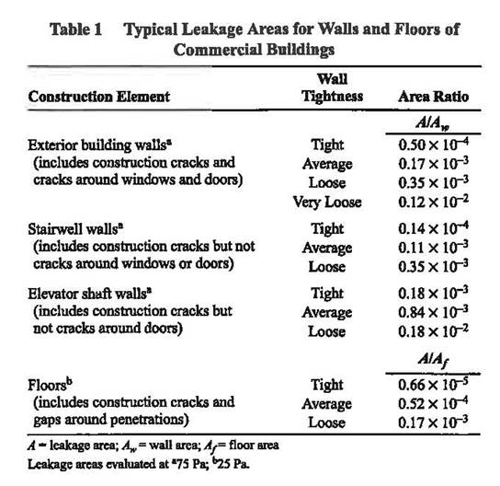
 | Table 1 - From ASHRAE Handbook 2007, Chapter 52

 |  |  |  |  |  |  |  |  |  |  |  |  | Identify Leakage areas selected for |  |  |  |  |  |  | 1
 |  |  |  |  |  |  |  |  |  |  |  |  | calculation with red arrows. |  |  |  |  |  |  | 2
 |  |  |  |  |  |  |  |  |  |  |  |  |  |  |  |  |  |  |  | 3
 |  |  |  |  |  |  |  |  |  |  |  |  |  |  |  |  |  |  |  | 4

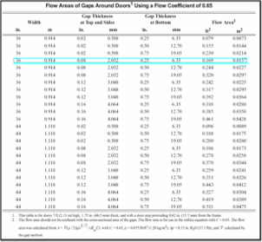

 | Table 2.2

 |  |  |  |  |  |  |  |  |  |  | Full open door utilized based on
 |  |  |  |  |  |  |  |  |  |  | information from site on how tests
 |  |  |  |  |  |  |  |  |  |  | are conducted.

